Overview
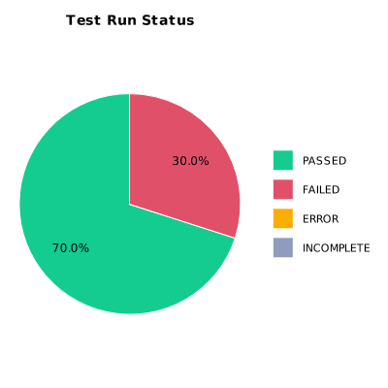
EXECUTION SUMMARY
Execution ID | 3
Status | FAILED
Organization | SCAE - Project
Team | Mercurio Systems
Project | SCAEW - Web Application
By | Juan Bernardo Camacho Tirado
Start Time | 12/06/2020 19:40:53 +00:00
Duration | 0:02:04.720

TEST RESULTS
Total test runs | 10
Passed | 7
Failed | 3
Error | 0
Incomplete | 0

